RFQ (01.26)
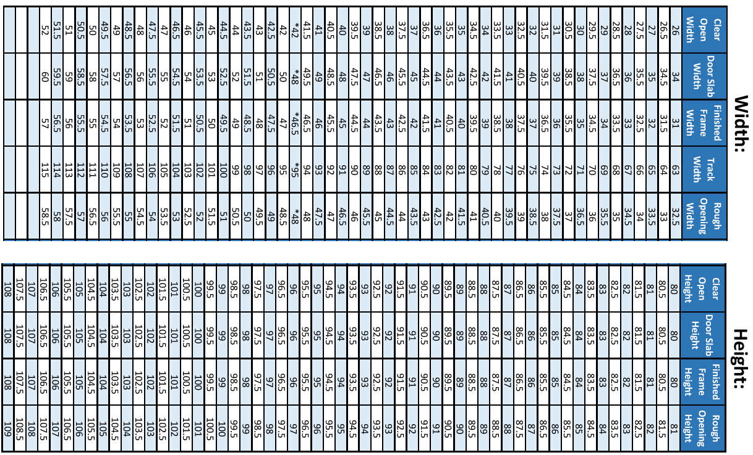
 | SERENITY SLIDING DOOR SYSTEMS |  | BID REQUEST FORM |  |  |  | To edit spreadsheet - Select "Enable Editing" above
 |  |  |  |  |  |  |  |  |  |  |  |  |  | Detail Showing Medical Slide System
Quotes Email: | QUOTES@SERENITYSLIDINGDOOR.COM |  |  |  |  |  | Serenity Medical Slide Sizing Chart
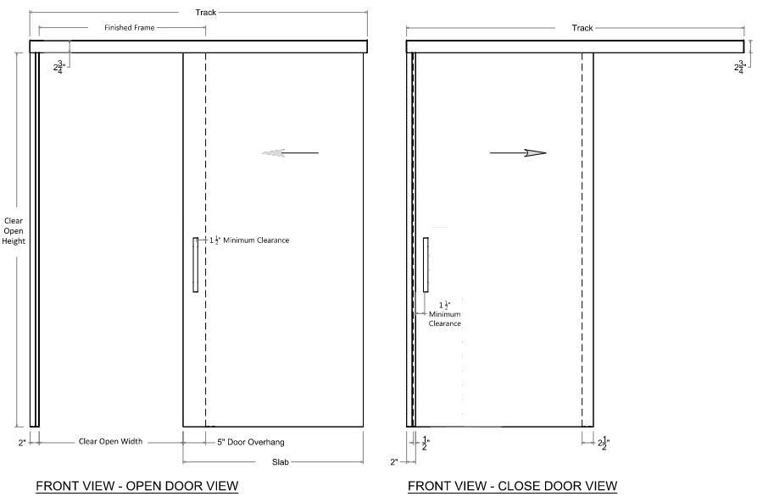
Phone: | (719) 212-6007
Orders Email: | ORDERS@SERENITYSLIDINGDOOR.COM

Date: |  | 2026-03-12
Bid/Due Date:
Company Name:
Company Type:
Contact Name:
Contact Email:
Contact Phone:
Project Name:
Project Facility Type:
Project Location City/Zip:
Delivery Location City/Zip:
Expected Ship Date:
Architect:
Phone Number:
Is Serenity Specified:

Project Information/Notes:

 |  |  |  |  |  |  |  |  |  |  |  |  |  | TrimFit Sizing
NOTES: | (1) | Clear Opening Width = Clear opening dimension when door is fully open |  |  |  |  |  |  |  |  |  |  |  | Achieves 42" Clear Open Width with a 48" slab |  |  |  | *Mechanical Self-Closer is a spring loaded device that actively closes the door from the open position* (Removes soft open function)
 | (2) | Clear Opening Height = Finished Floor to inside of Frame at Head |  |  |  |  | Smoke Rating |  |  |  |  |  |  | The Door will hang into the opening 4-1/2" instead of 5"
 | (3) | Dual soft-close is standard and included with every system |  |  |  |  |  |  |  |  |  |  |  | 1-1/2" Trailing Edge Trim will be exposed.

Sizing & System |  |  |  |  | Frames |  |  |  | Door Options |  |  |  |  |  |  |  | Hardware
QTY | Opening Type | Opening Width (Inches) | Opening Height (Inches) | System Type | Frame Finish | Wall Thickness | System Valance | Sidelite | Door Leaf Type | Door Face | Door Veneer Cut | Door Veneer Match | Door Veneer Assembly | Door Finish | Door Glass Type | Lead Lined | Lock Type | Ladder Pulls | Mechanical Spring Closer | Acoustic Drop-Down Seal | Auto Operator

QUOTING NOTES & EXCLUSIONS:
Serenity does not provide take-offs based on customer provided plans and specs. Therefore, it is the customers responsibility to verify all quantities, sizes, hardware etc.
Wall Blocking is Required (by Others)
Submittals / Shop Drawings included in price; Quote is valid for 90 days, Sales Tax Not Included.
Wood doors quoted as "A Grade" unless otherwise noted
Retro Fit Sizing: Achieves 42" Clear Open Width with a 48" Slab. Door will hang into opening 4 1/2" instead of 5" 1 1-2" Trailing Edge Trim will be exposed.
Mechanical Self-Closer is a spring loaded device that actively closes the door from the open position* (Removes soft open function).
Quote includes Serenity System 2 year warranty with door warranty by door manufacturer

